(2)TOOL or CONSUPTION
□ TOOL or CONSUPTION(공구, 도구 및 소모품) - 전기가가 안들어가는 아이템

NO | 1) picture (before PACKING) | 2) ENGLISH ITEM NAME | Weight (KG) | Quantity | 3) MANUFACTUROR (ex : OOO company) | 4) MODEL NO (ex : abc-123) | 5) MATERIAL (ex : STEEL, PLASTIC) | 6) STANDARD TYPE (ex : DIAMENSION) | 7) ORIGIN (cx : MEDE IN KOREA) | 8) MSDS (in case of chemical) | 9) HS CODE (At origin) | NEW OR USED | MANUFACTURE DATE | 10) Cost (USD)
001-08060-01B | 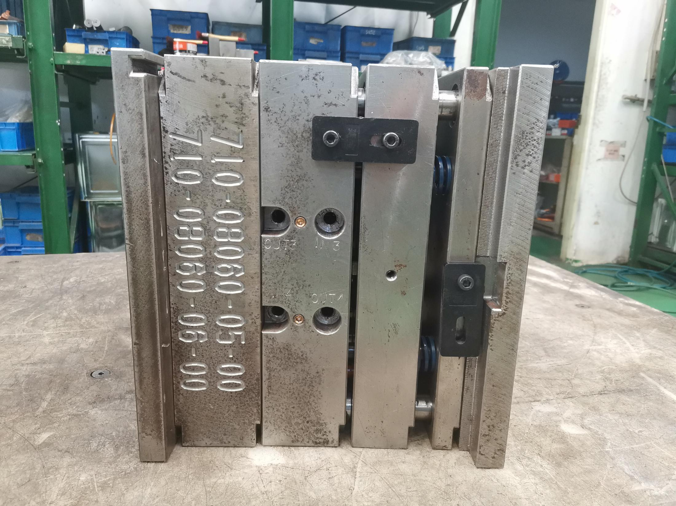 | 325x303x354 | 258 | 1 | Techsen electronic(shenzhen) co.,ltd | Cabinet Bottom/face | Steel | DIAMENSION | made in china |  | 8480719090 | NEW | Jun-21 | 8200
001-08060-02B | 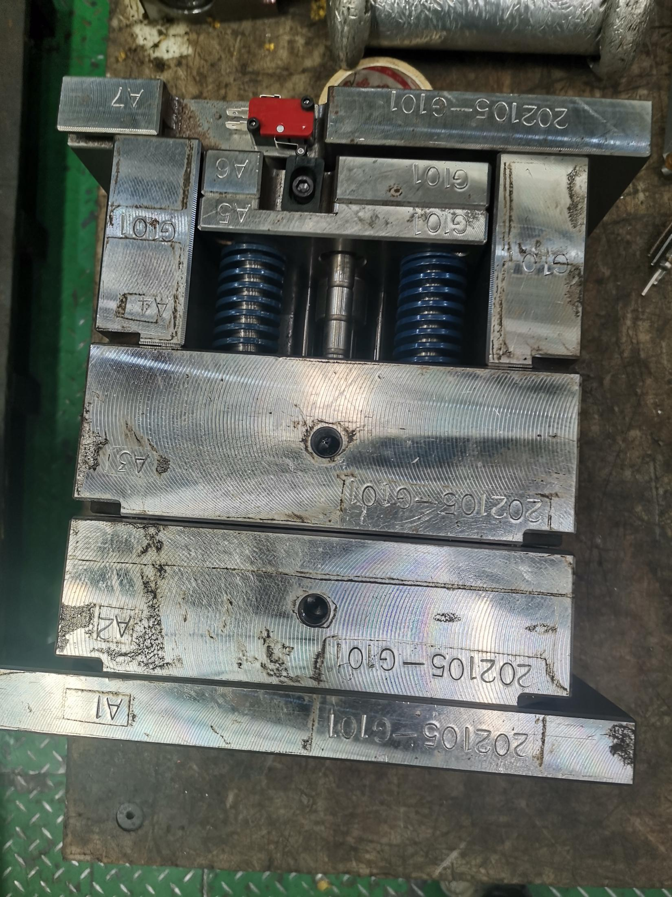 | 274x252x252 | 129 | 1 | Techsen electronic(shenzhen) co.,ltd | LCD BRACKET | Steel | DIAMENSION | made in china |  | 8480719090 | NEW | Jun-21 | 4800
001-08060-03B | 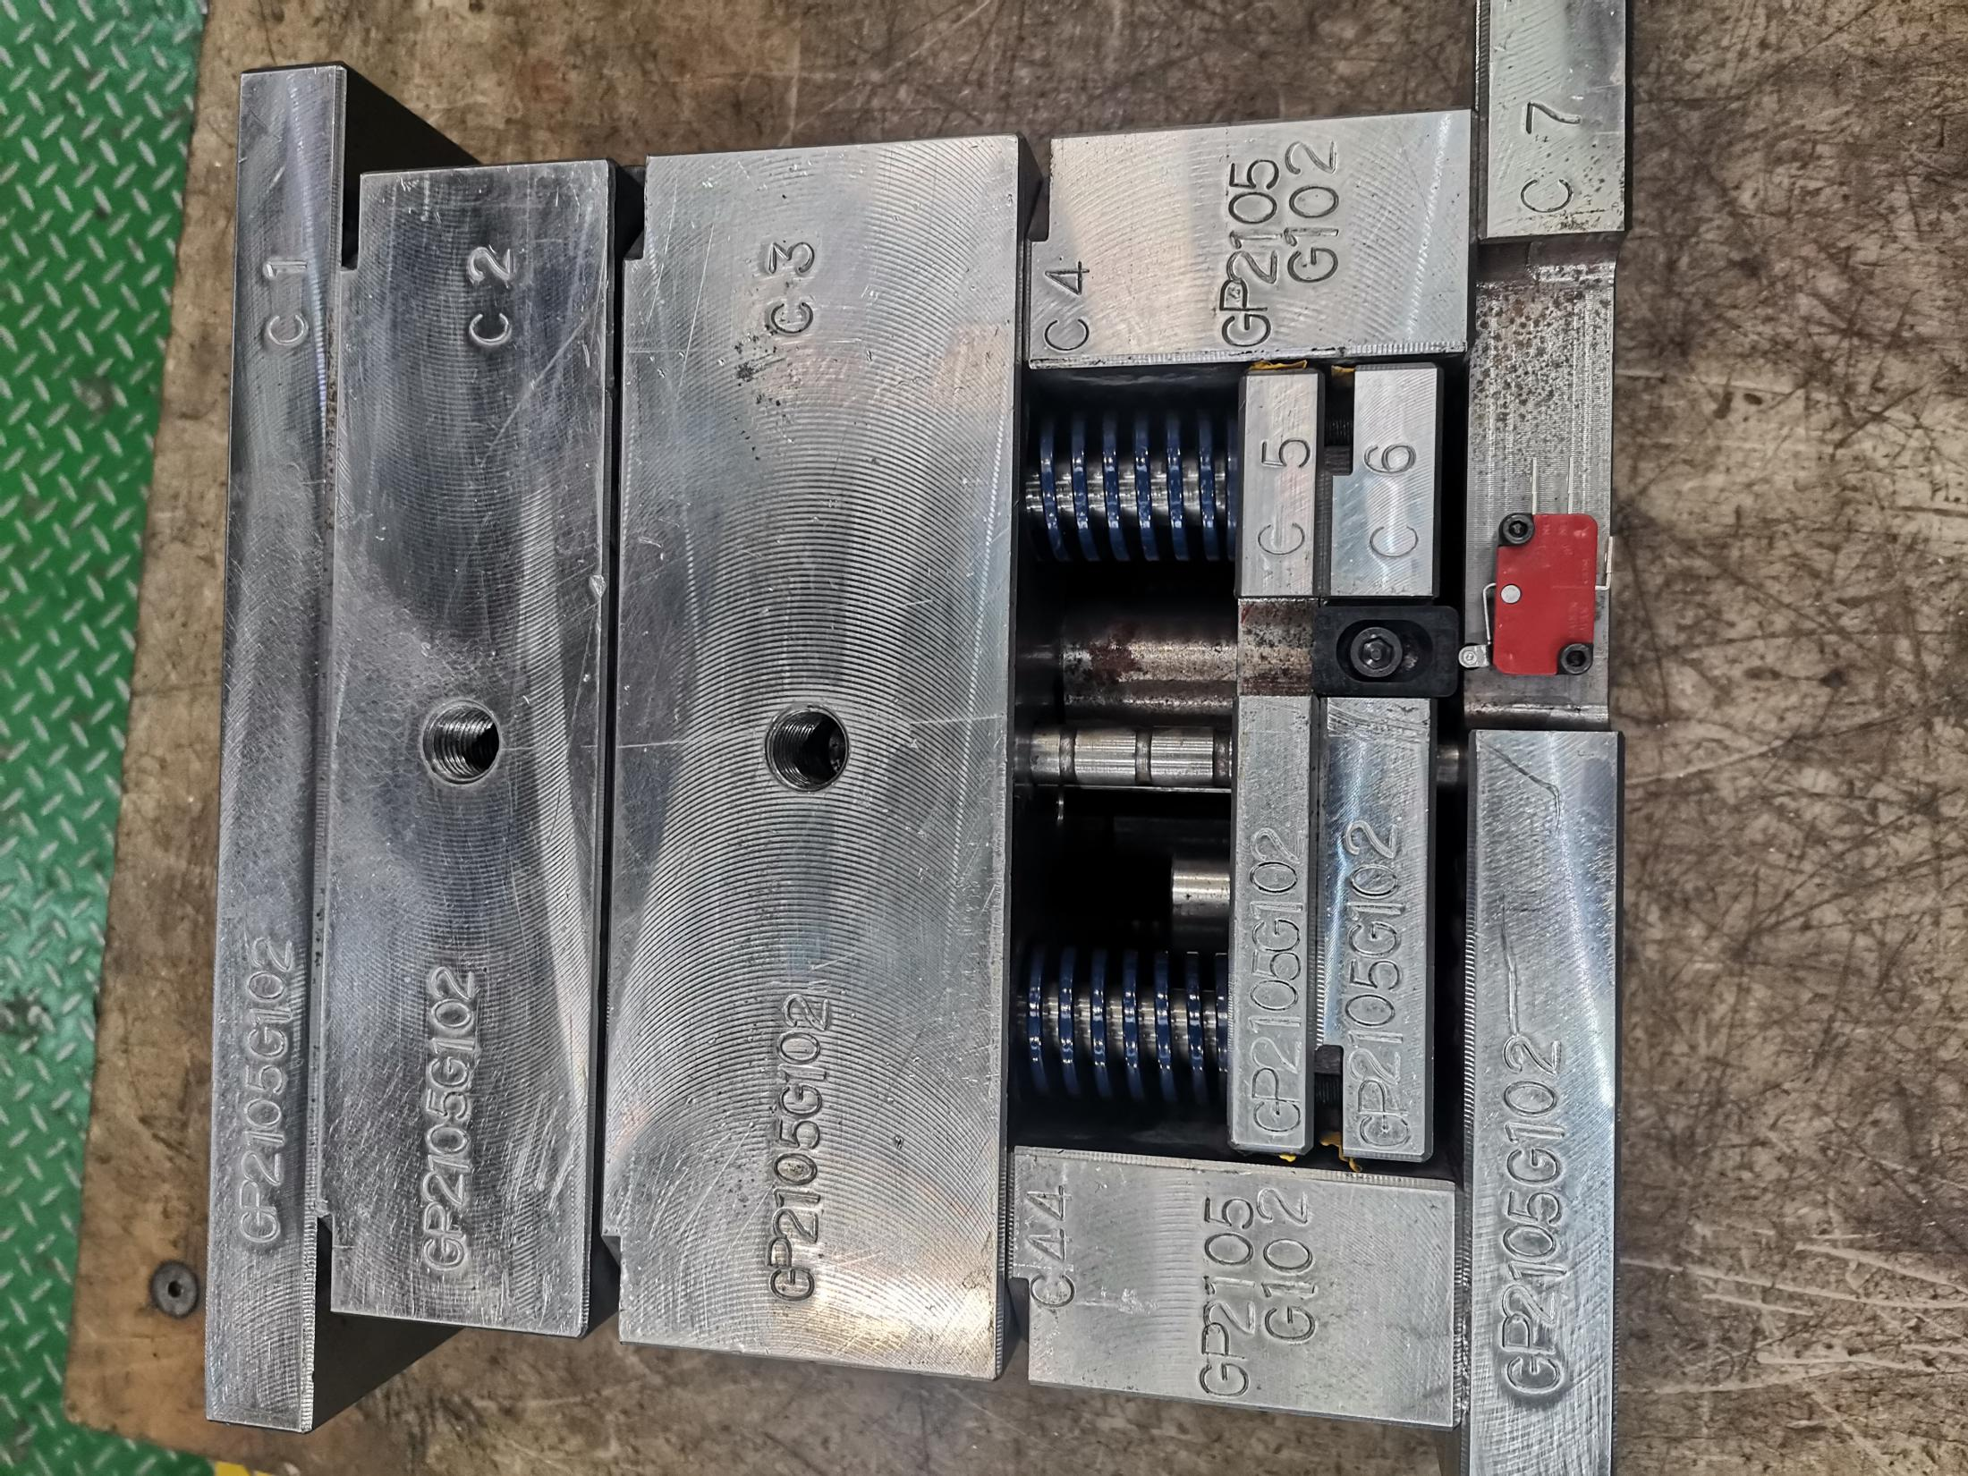 | 275x283x233 | 134 | 1 | Techsen electronic(shenzhen) co.,ltd | BATTERY COVER | Steel | DIAMENSION | made in china |  | 8480719090 | NEW | Jun-21 | 5000
001-08060-04B | 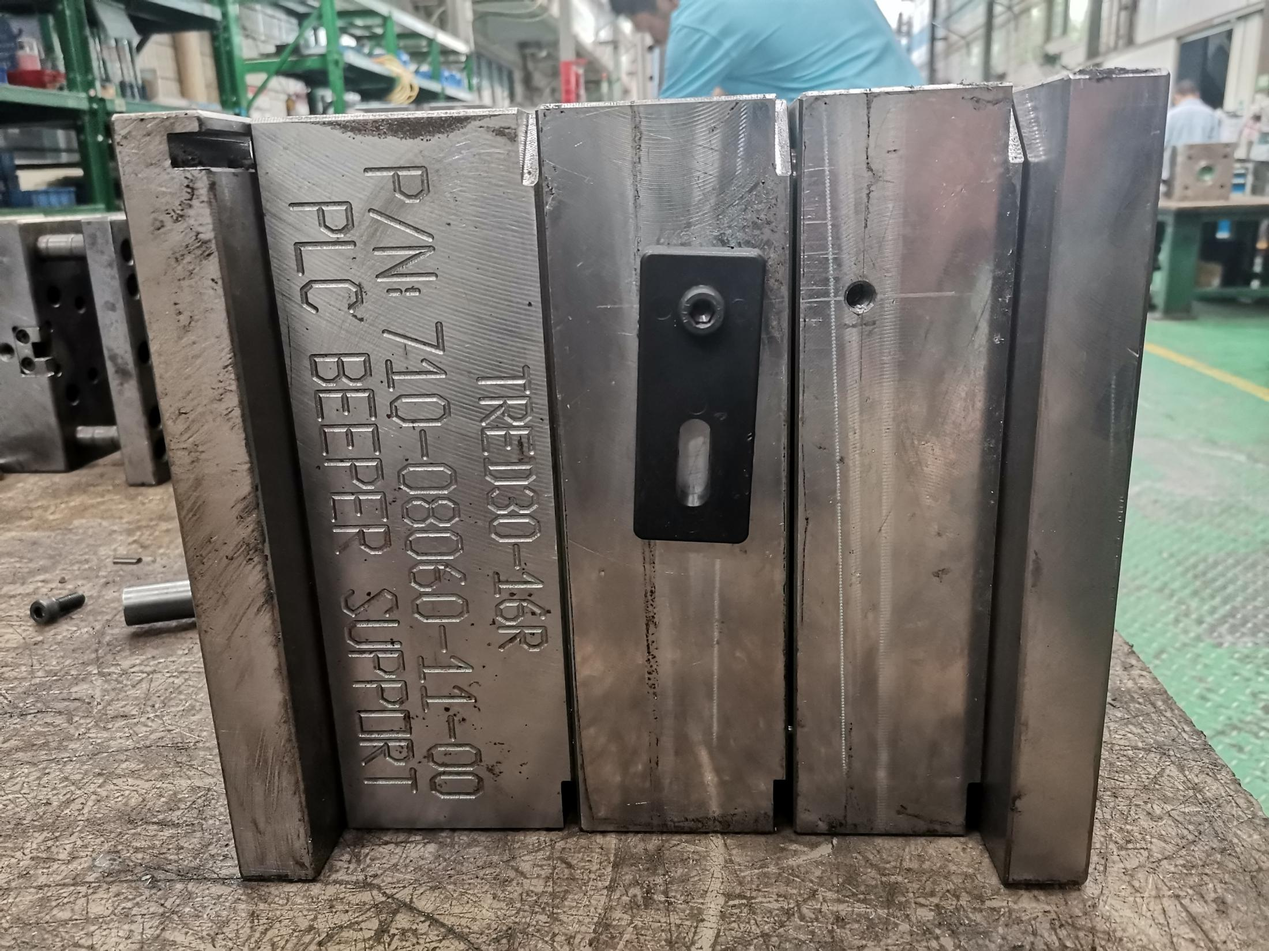 | 264x282x232 | 128 | 1 | Techsen electronic(shenzhen) co.,ltd | BEEPER SUPPORT | Steel | DIAMENSION | made in china |  | 8480719090 | NEW | Jun-21 | 6200

001-14011-01B | 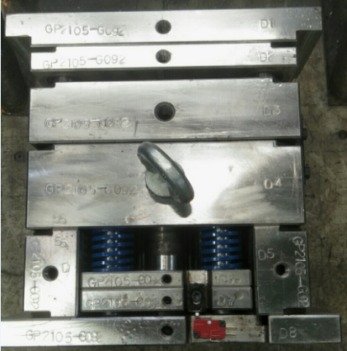 | 333X302X355 | 265 | 1 | Techsen electronic(shenzhen) co.,ltd | TOP/BOTTOM | Steel | DIAMENSION | made in china |  | 8480719090 | NEW | Jun-21 | 12700
001-15014-01B | 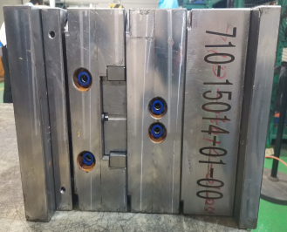 | 337X302X252 | 190 | 1 | Techsen electronic(shenzhen) co.,ltd | USB PLUG CAP | Steel | DIAMENSION | made in china |  | 8480719090 | NEW | Jun-21 | 4000

001-17006-01B | 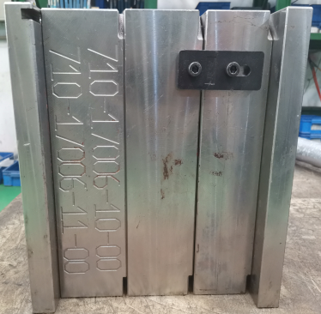 | 334X303X353 | 265 | 1 | Techsen electronic(shenzhen) co.,ltd | TOP | Steel | DIAMENSION | made in china |  | 8480719090 | NEW | Jun-21 | 7800
001-17006-02B | 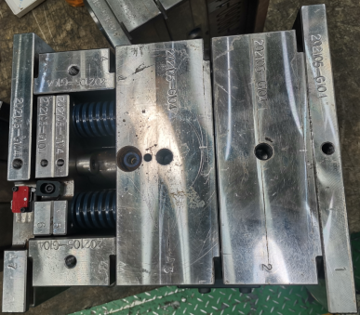 | 286x302x302 | 193 | 1 | Techsen electronic(shenzhen) co.,ltd | BOTTOM | Steel | DIAMENSION | made in china |  | 8480719090 | NEW | Jun-21 | 7200
001-17006-03B | 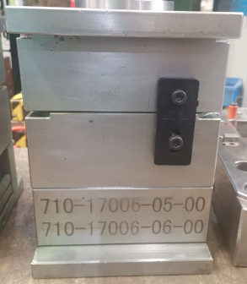 | 264x202x182 | 72 | 1 | Techsen electronic(shenzhen) co.,ltd | LIGHT PIPE L/R | Steel | DIAMENSION | made in china |  | 8480719090 | NEW | Jun-21 | 5600

TRIX-8-01C | 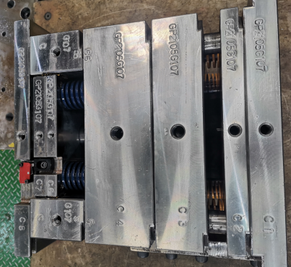 | 339x322x352 | 285 | 1 | Techsen electronic(shenzhen) co.,ltd | TOP/BOTTOM | Steel | DIAMENSION | made in china |  | 8480719090 | NEW | Jun-21 | 8000
TRIX-8-02B | 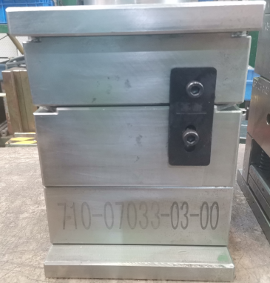 | 253x202x182 | 69 | 1 | Techsen electronic(shenzhen) co.,ltd | LIGHT GUIDE TRANS | Steel | DIAMENSION | made in china |  | 8480719090 | NEW | Jun-21 | 4100
N/A | 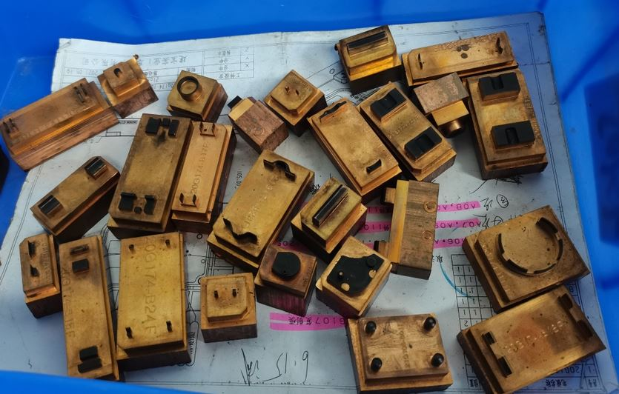 | 370x240x100 | 40.8 | 177 | Techsen electronic(shenzhen) co.,ltd | tooling accessories | Copper | DIAMENSION | made in china |  | 8480419000 | NEW | Jun-21 | 9.23
N/A | 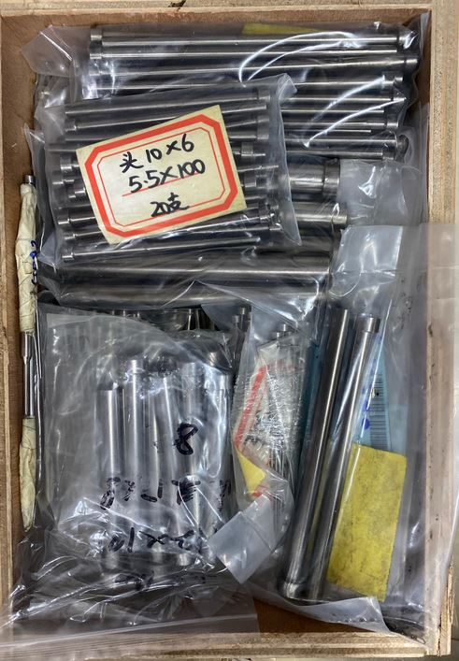 | 340x230x120 | 30.5 | 900 | Techsen electronic(shenzhen) co.,ltd | tooling accessories | Steel | DIAMENSION | made in china |  | 7326901900 | NEW | Jun-21 | 3.85

